1. Title Page
[Instacart Grocery Basket Analysis]

Project Name: Instacart Grocery Basket Analysis
Date: 02/23/2023
Analyst Name: Bridget Hale

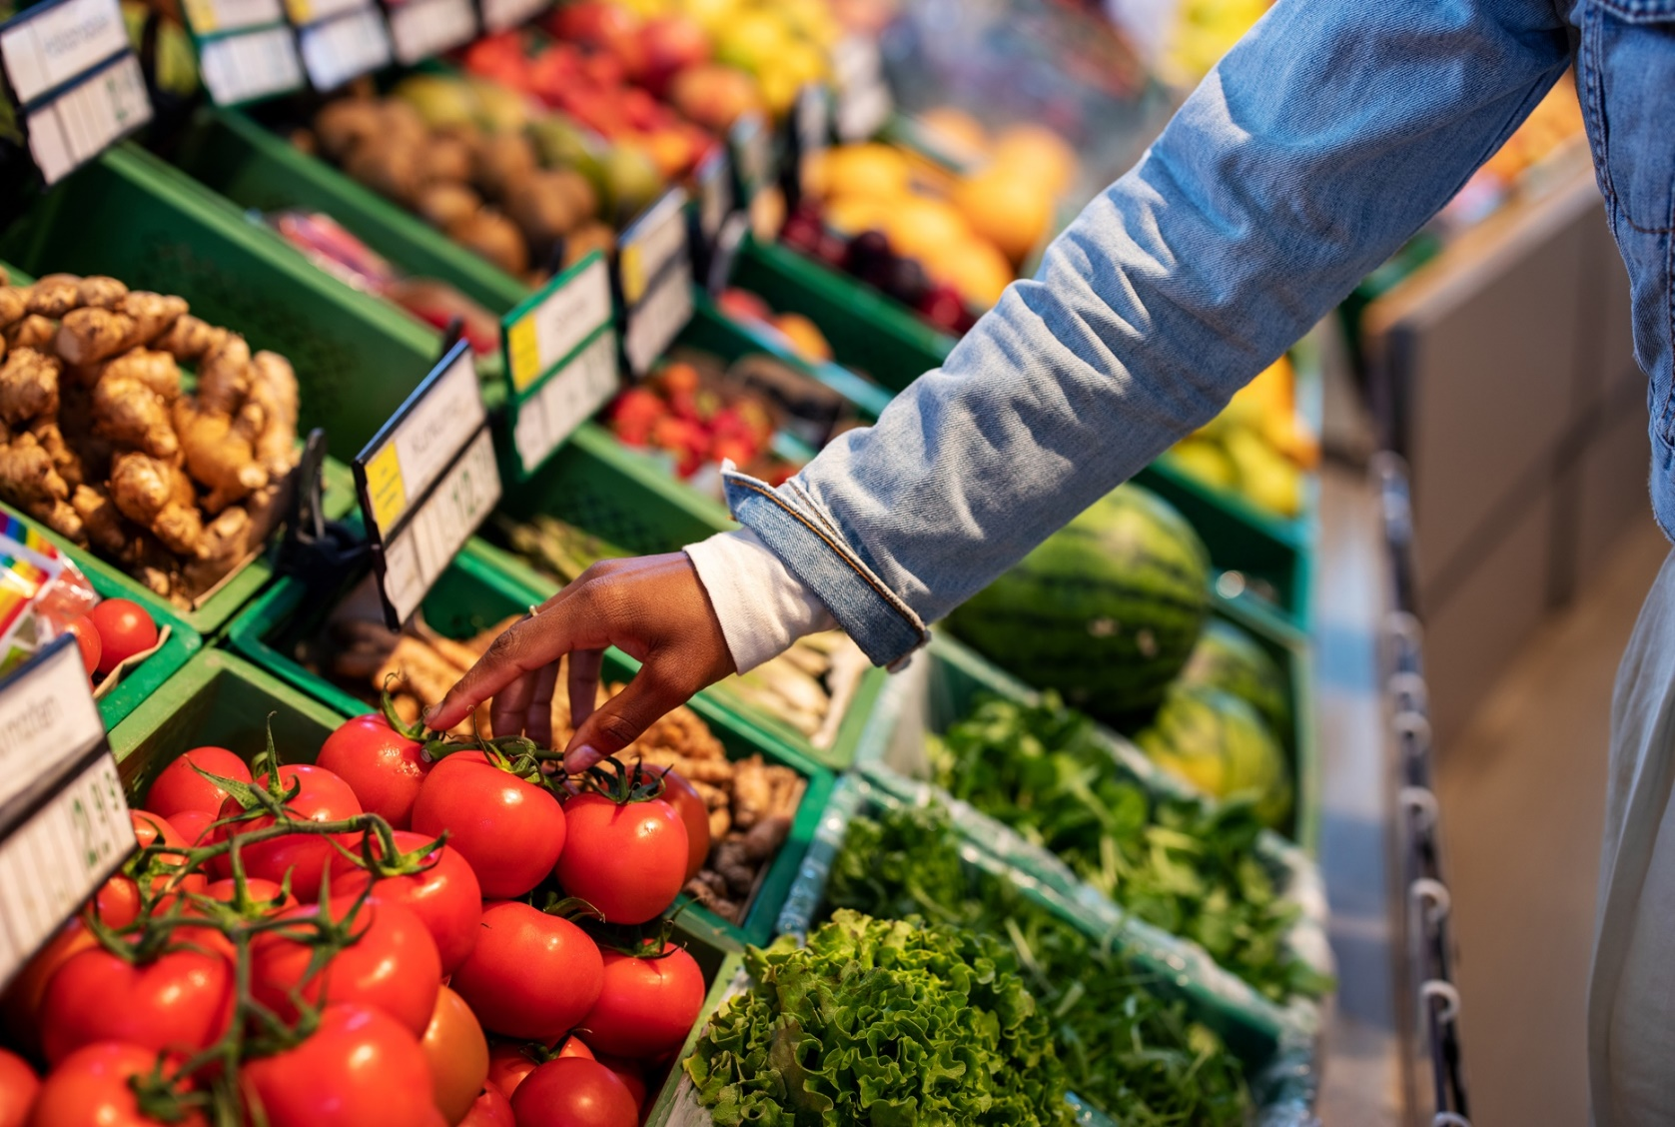

Contents:

Population Flow
Consistency Checks
Wrangling Steps
Column Derivations
Visualizations
Recommendations

Data Source & Citations:

"The Instacart Online Grocery Shopping Dataset 2017"
Customer Dataset
Data Dictionary

Citation: “The Instacart Online Grocery Shopping Dataset 2017"

Accessed from https://www.instacart.com/datasets/grocery-shopping-2017 on <2022-2023>

2. Population Flow
Population Flow

Exclusion flag
Condition: max_order < 5
Observations to be removed: Customers PII information (Two columns: first_name, last_name)
Final total count of order_products_all: (30741973, 32)

Orders_products_combined
Orders_products_merged
Orders_products_all
Total: 32,404,859
Total: 32,434,489
Total: 30,964,564

1.) The grey boxes in the first row of the population flow represent the original data sets as they were when you downloaded them. In the Total fields you need to add the count of the rows when you imported the data set into Jupyter.
2.) The second row of boxes (coloured) represents the data sets after you manipulated them, e.g., removed missing values and duplicates. In the Total fields you need to add the count of the rows after conducting these operations. This offers a visual oveview of how the data flows throughout the data consistency checks.
3.) The third row, where also the arrows are coloured, represents the merges you performed between the datasets. In the Total fields you need to add the count of the rows in the merged datasets, so that you end up with the final dataset (in the red box). Keep in mind the final dataset should be without exclusions (based on the exclusion flag).

3. Consistency Checks
 |  |  |  |  | Title page
Consistency Checks

Dataset | Missing Values | Missing Values Treatment | Duplicates | Mixed-type column
orders | 206,209 new customers were missing the value of 'days_since_prior_order' column. | For treatment, we Imputed the missing values with a negative number (-1) and also added a flag to present them as a new customer who hasn't had a prior order yet. | No duplicate values | No mixed-type column found
products | 16 missing values in 'product_name' | filterd out the missing values by creating a subset | 5 records were found and deleted | No mixed-type column found
customers | 0 missing | As we are going to exclude first names due to PII consideration, we left them as it is. | No duplicate values | first_name

4. Wrangling steps
 |  |  | Title page
Wrangling steps

Dataframe | Columns dropped | Columns renamed | Columns' type changed | Comment/Reason
Orders |  |  | order_id has been changed to 'str' | Because mathematical operations are meaningless on this column
 |  |  | The data type of the "user_id" column has been changed from number to string. | This will make describe() function ignore string values when calculating descriptive statistics
 | eval_set |  |  | The data didn't have an impact on analysis
 |  |  | order_number' ('int64') to ('int8')
 |  |  | orders_day_of_week' ('int64') to ('int8')
 |  |  | order_time_of_day' ('int64') to ('int8')
 |  |  | days_since_prior_order' from ('float64') to ('float16')
 |  | order_hour_of_day' has been renamed to: 'order_time_of_day' |  | To increase the clarity
 |  | order_dow' has been renamed to : 'orders_day_of_week' |  | To be a self-explanatory name
Departments |  |  |  | Transposed to create a department dictionary
Products |  |  | aisle_id' from ('int64') to ('int8') | To save memory and merge faster
 |  |  | department_id' from ('int64') to ('int8') | To save memory and merge faster
 |  |  | prices' from ('float64') to ('float16') | To save memory and merge faster
 |  |  | product_id' from ('float64') to ('float16') | To save memory and merge faster
 |  |  | add_to_cart_order' from ('float64') to ('float16') | To save memory and merge faster
 |  |  | reordered' from ('float64') to ('float16') | To save memory and merge faster
Customers |  |  | age' from ('int64') to ('int8')
 |  |  | no_of_dependents' from ('int64') to ('int8')
 |  |  | income' from ('int64') to ('int32')
 |  | STATE' has been changed to: 'state' |  | To keep name consistent with other column titles' format
 |  | First Name' has been changed to:: 'first_name' |  | To keep name consistent with other column titles' format
 |  | Surnam' has been changed to: 'last_name' |  | To keep name clear and consistent with other column titles
 |  | Age' has been changed to: 'age' |  | To keep name consistent with other column titles' format
 |  | n_dependants' has been changed to: 'no_of_dependents' |  | To keep name clear and consistent with other column titles
 |  | Gender' has been changed to: 'gender' |  | To keep name consistent with other column titles' format
 | first_name |  |  | How to address: Dropping these two columns in compliance to customer privacy
 | last_name
 |  | fam_status' has been renamed to : 'marital_status' |  | To keep name clear and consistent with other column titles

5. Column Derivations)
In this tab you should add tables below that the frequences of flags/label variables that you produced after deriving them. NB: don't do this for continuous variables, only for flags.
Column Derivations and Aggregations

Dataset | New Column | Column/s It Was Derived From | Conditions
ords_prods_merged.pkl | price-_range | prices | 'Low-range product' = <=5 'Mid-range product' >5 & <=15 'High-range' > 15 in $
ords_prods_merged.pkl | busiest_day | orders_day_of_week | 'Busiest day' = 0 'Regularly busy' = else. 'Least busy' = 4
ords_prods_merged.pkl | busiest_days | orders_day_of_week | 'two busiest days' = 0,1 'two slowest days' = 3,4 else: 'Regularly busy days'
ords_prods_merged.pkl | busiest_period_of_day | order_hour_of_day | 'Most orders' = >=9 & <=17 'Fewest Orders' = <=6 else: 'Average Orders'
ords_prods_merged_update1.pkl | loyalty_flag | Grouped by 'user_id' + aggregated Max values from order_number | 'Loyal customer' = >40 'Regular customer' = <=40 & >10 'New customer' = <=10
ords_prods_merged_update1.pkl | spending_flag | Grouped by 'user_id' + aggregated Max values of prices | 'Low spender' = <10 'High spender' = >=10
ords_prods_merged_update1.pkl | order_freq_flag | Grouped by 'user_id' + aggregated by media of days_since_prior_order | 'Non-frequent custm' = >20 'Regular customer' = >10 & <=20 'Frequent custm' = <=10
ords_prods_merged_updated2.pkl | updated merged dfs before customers | Grouped by orders_products_departments | 'Orders' 'Products' 'Departments'
df_ords_prods_custs.pkl | region | state | 'Northeast' : 'Maine', 'New Hampshire', 'Vermont', 'Massachusetts', 'Rhode Island', 'Connecticut', 'New York', 'Pennsylvania', 'New Jersey 'Midwest' : 'Wisconsin', 'Michigan', 'Illinois', 'Indiana', 'Ohio', 'North Dakota', 'South Dakota', 'Nebraska', 'Kansas', 'Minnesota', 'Iowa', 'Missouri' 'South' : 'Delaware', 'Maryland', 'District of Columbia', 'Virginia', 'West Virginia', 'North Carolina', 'South Carolina', 'Georgia', 'Florida', 'Kentucky', 'Tennessee', 'Mississippi', 'Alabama', 'Oklahoma', 'Texas', 'Arkansas', 'Louisiana' 'West' : 'Idaho', 'Montana', 'Wyoming', 'Nevada', 'Utah', 'Colorado', 'Arizona', 'New Mexico', 'Alaska', 'Washington', 'Oregon', 'California', 'Hawaii'
df_ords_prods_custs.pkl | activity_flag
df_ords_prods_custs.pkl | exclusion flag | Max_order | if Max_order <5 = 'Low-activity' else 'High-activity'
high_activity_cxs_orders.pkl | profile | Columns: age, income, department_id, number_dependents, family_status & order_hour_of_day
custs.pkl | Has_babies | department (incl. Dict) | custs.loc[custs['department'] == 'babies','Has_babies'] = 'Yes' custs.loc[custs['department'] != 'babies','Has_babies'] = 'No'
custs.pkl | income_category | income | custs.loc[custs['income']< 70000, 'income_category'] = 'Low' custs.loc[(custs['income']>= 70000) & (custs['income']< 100000), 'income_category'] = 'Middle-class' custs.loc[(custs['income']>= 100000) & (custs['income']< 130000), 'income_category'] = 'Upper-mid-class' custs.loc[custs['income']>= 130000, 'income_category'] = 'High'
custs.pkl | household | marital_status, no_of_dependence | custs.loc[(custs['marital_status'] == 'married') & (custs['no_of_dependents'] == 1), 'household'] = 'Couple Without Children' custs.loc[(custs['marital_status'] == 'married') & (custs['no_of_dependents'] >= 2), 'household'] = 'Couple With Children' custs.loc[(custs['marital_status'].isin(['divorced/widowed', 'single'])), 'household'] = 'One Person' custs.loc[(custs['marital_status'] == 'living with parents and siblings'), 'household'] = 'Other Family'
custs.pkl | family_size | no_of_dependents | custs.loc[custs['no_of_dependents'] == 0 , 'family_size'] = 'small' custs.loc[custs['no_of_dependents'].isin([1, 2]), 'family_size'] = 'mid sized' custs.loc[custs['no_of_dependents'] > 2 , 'family_size'] = 'large'
custs.pkl | age_category | age | Youth: 18 - 33 Mid-Age: 34 - 64 Senior > 65

6. Visualizations
Title page

Visualisations

Note: Instacart is a real company that’s made their data available online. However, the contents of this project brief have been fabricated for the purpose of this Achievement

Question 1
The sales team needs to know what the busiest days of the week and hours of the day are (i.e., the days and times with the most orders) in order to schedule ads at times when there are fewer orders.

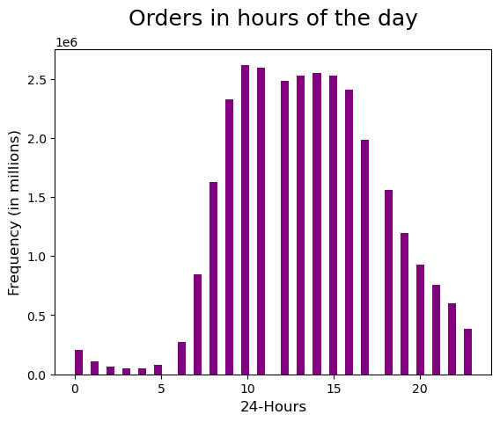
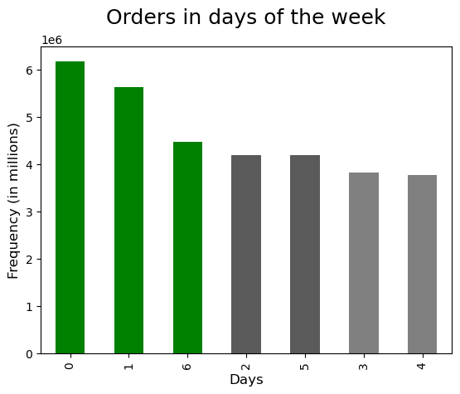
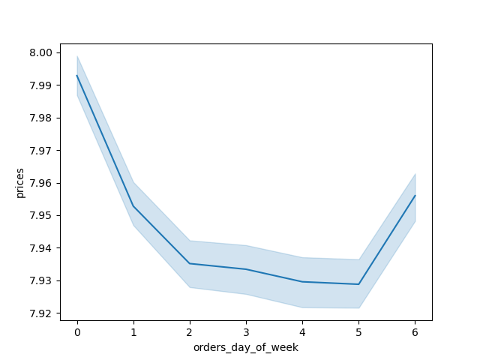
Spending Habit In the Days of week

Saturday, Sunday and Friday respectively are the busiest days of the week. In terms of time in a day, between 10am to 3pm is the busiest time to place an order. Orders drop drastically after 6pm until the next day 8am, so weekdays on mentioned hours might be the perfect time to schedule ads.
Please note: in below figures days are represented in numeric values where 0=Saturday and 6=Friday.

Question 2
The sales team needs to know whether there are particular times of the day when people spend the most money, as this might inform the type of products they advertise at these times.

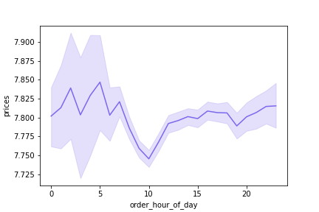
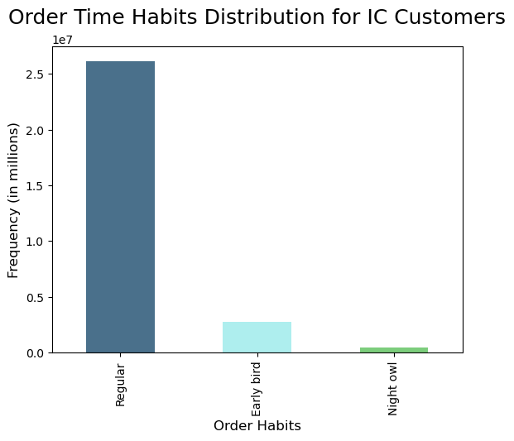
Spending Habits by Time of Day

High frequency of orders with a low expenditure are placed during the day (9am-5pm). However, a low frequency of orders with a high expenditure happens between 6-8am, early in the morning.
Also, in the afternoon we observed two peaks at noon and around 9 pm. IC can use these hours to inform the type of products they advertise.
In the last chart (bar) we can see the distribution of orders during the three periods in a day. Early birds place their orders between 5am-8am, regular customers 9am-11pm, and night owls after midnight to 4 am. Over 80% of orders come through regular hours.

Question 3
Instacart has a lot of products with different price tags. Marketing and sales want to use simpler price range groupings to help direct their efforts.
Answer : Products are organized in three categories: Low/Mid/High-range based on given conditions.
To get a detailed conclusion please refer to the crosstab tables and charts explanation below the visualizations.
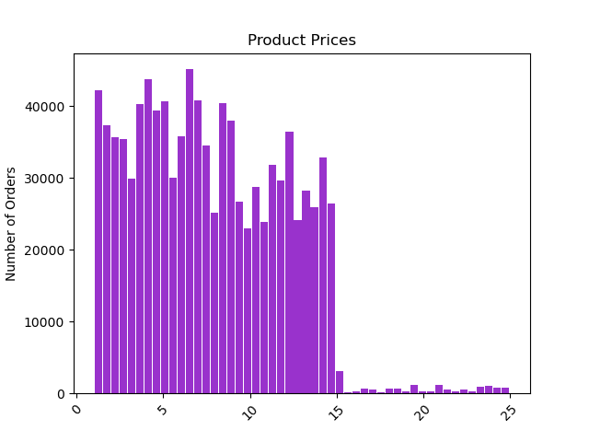
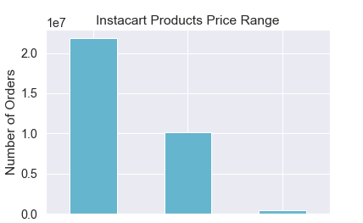

Frequency of Instacart Product Pric

Mid-range
Low-range
High-range

Price Range Conditions:
<= 5 : 'Low-range product'
(> 5) & ( <= 15) : 'Mid-range product'
> 15: 'High range'
else: 'Not enough data'
Products are organized in three categories: Low/Mid/High-range based on given conditions.
The majority of products sold through Instacart Basket are considered Mid-range & Low-range products.

Question 4
Are there certain types of products that are more popular than others? The marketing and sales teams want to know which departments have the highest frequency of product orders
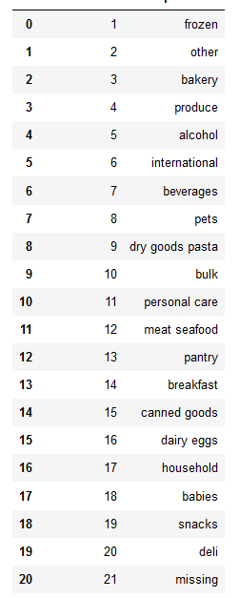
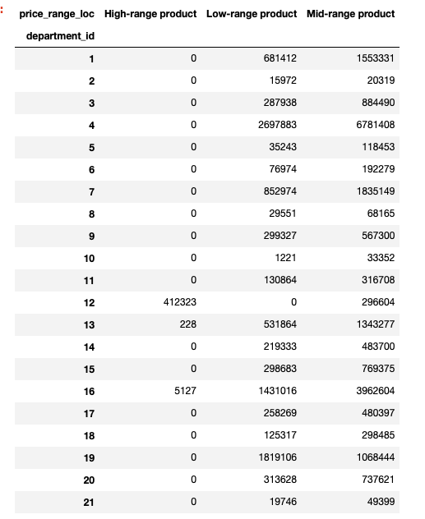
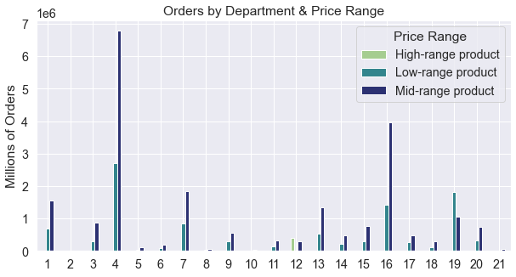

Instacart's most popular categories include
Produce, Dairy & Eggs, Snacks & Beverages
Instacart's most expensive category is Meat & Seafood, all products in this department are either
Mid-range or High-range priced items

Question 5
The marketing and sales teams are particularly interested in the different types of customers in their system and how their ordering behaviors differ. For example:
Are there differences in ordering habits based on a customer’s loyalty status?

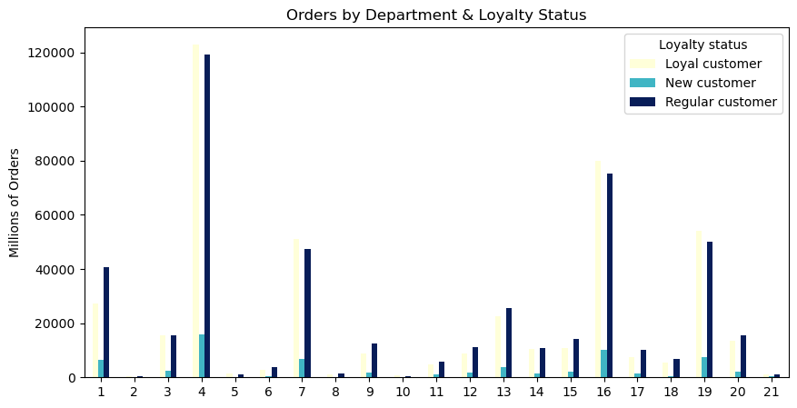
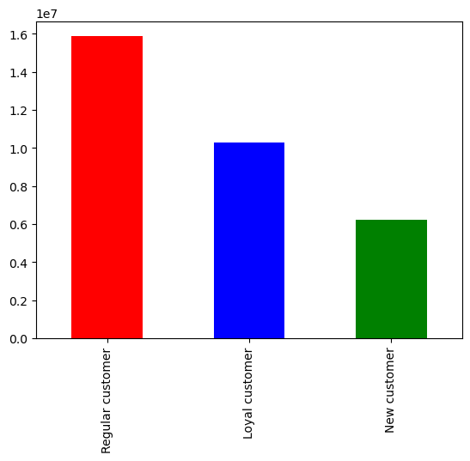
Regular customers order the most items per department - the majority of orders come from Alcohol, then Household, pets and deli.
Loyal customers order 2nd most by department

Are there differences in ordering habits based on a customer's region?

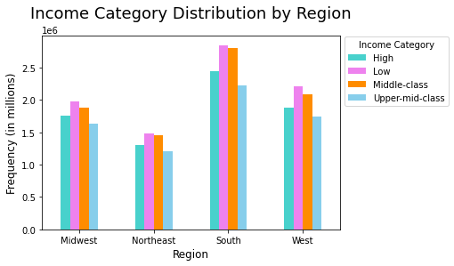

Frequency of Orders

The South shows highest amount of each typ of customery loyalty type. It also shows the highest frequency of orders by each Income Category. It is not surprising that also the highest number of Low spenders can be identified in this region.

Average-retired customers are the most common instacart users. The highest number of this group of customers can be found in the South, as well as the highest rate of Rich Single Adults.
Middle-aged people tend to purchase the most istems out the 3 age groups and prefer to buy their items ony the weekends.
The Midwest shows the highest rate of Poor Retired, while the Northeast has the lowest rate of this family category.
 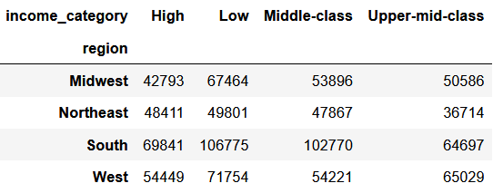
Is there a connection between age and family status in terms of ordering habits?
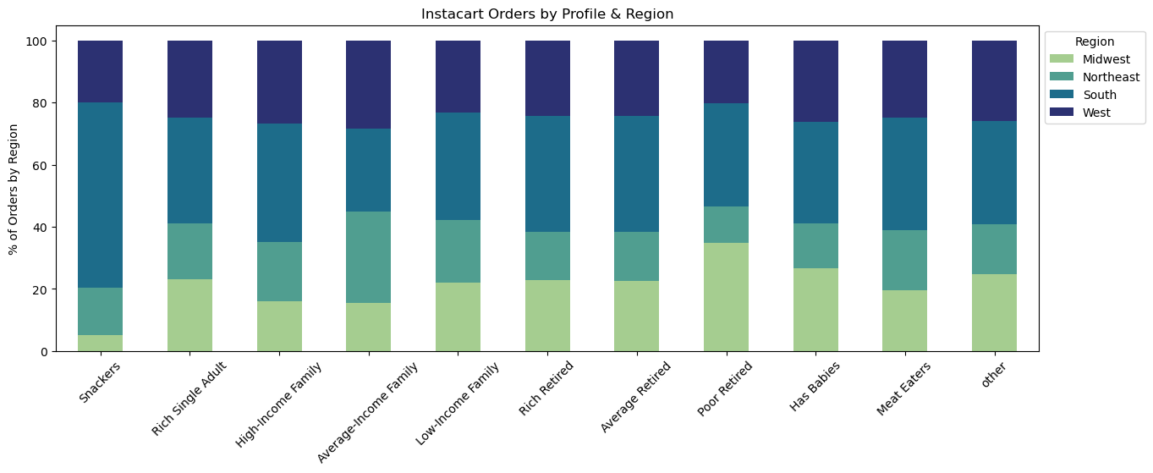 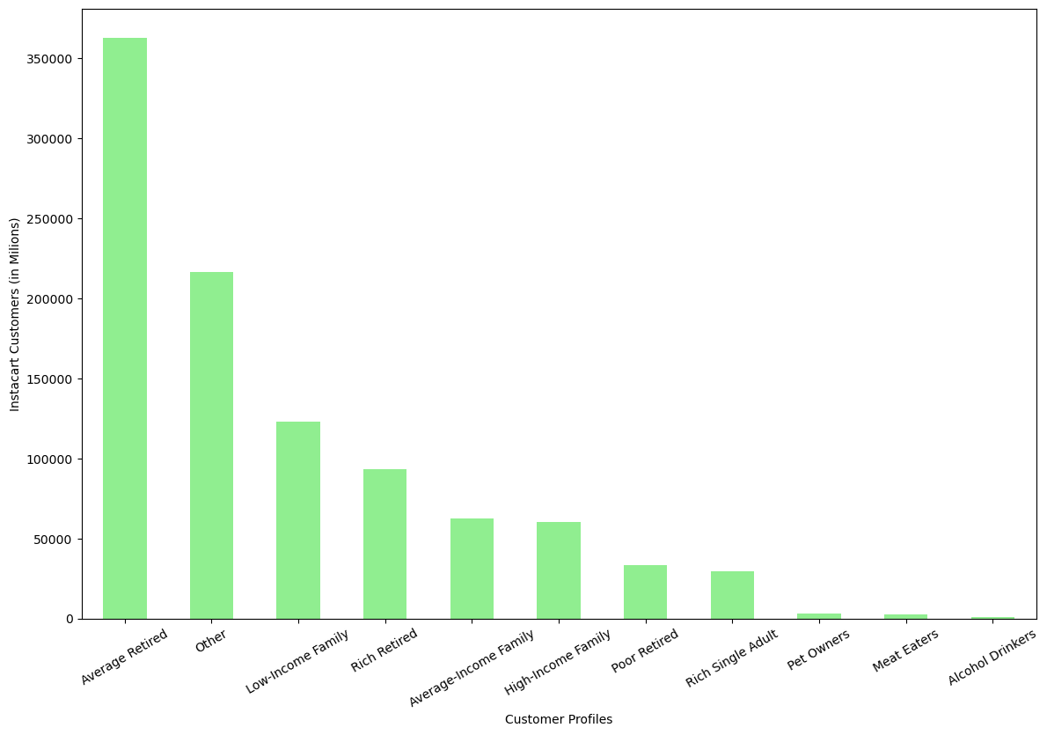
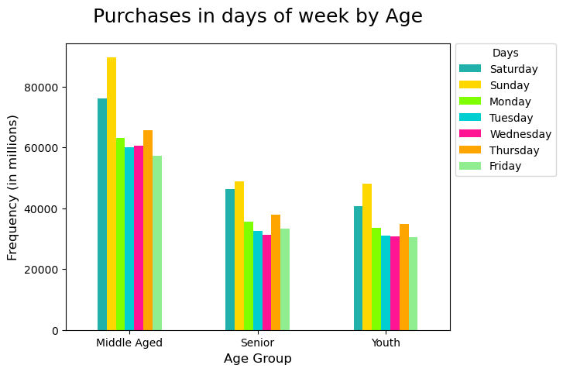
Question 6
What different classifications does the demographic information suggest? Age? Income? Certain types of goods? Family status?

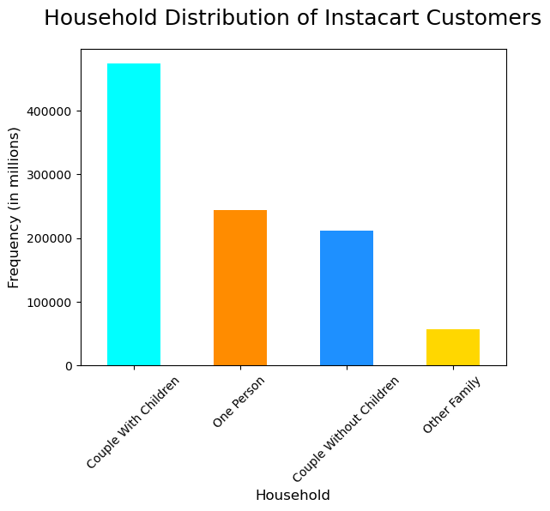
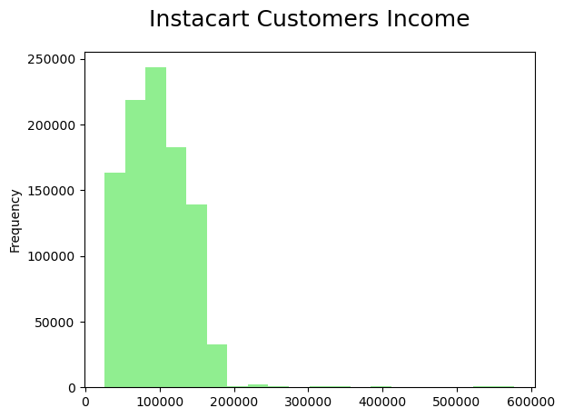

Instacart customers with babies make up barely 1% of regular users. However,
the majority of orders comes from Couple with Children and an income of > 100.000.
Poor-retirees and Low-income families are slightly different from the rest of the profiles by department, by showing a difference in increased purchasing of snacks and a decline of purchases in produce.
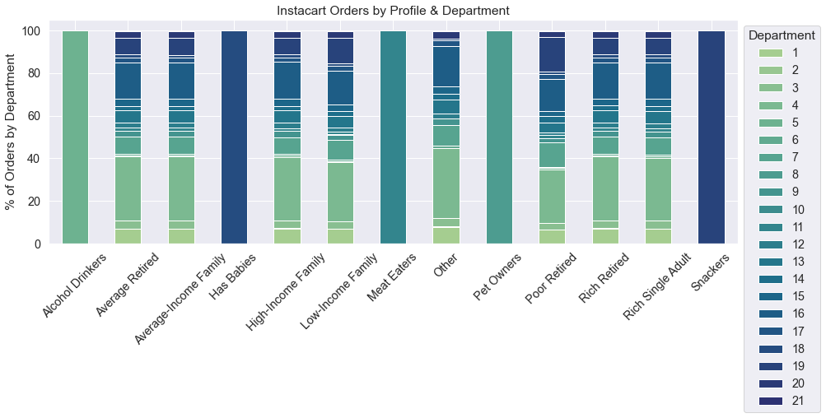

Question 7
What differences can you find in ordering habits of different customer profiles? Consider the price of orders, the frequency of orders, the products customers are ordering, and anything else you can think of.

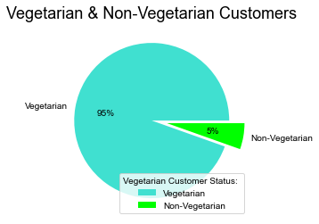
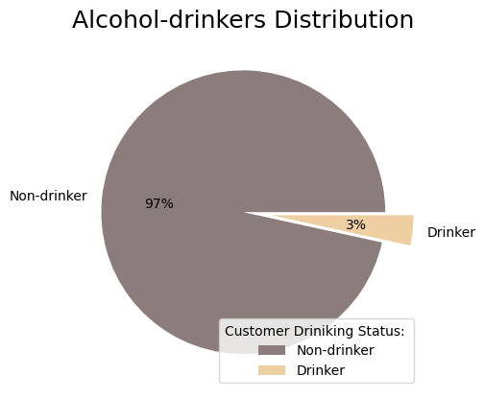
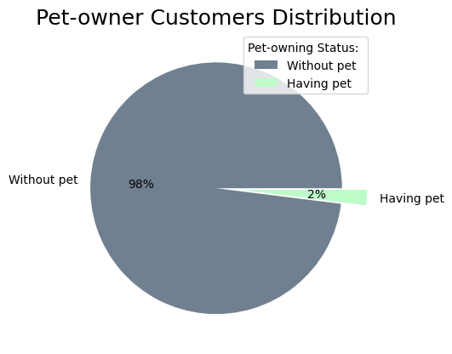

The majority of Instacart users are considered Vegetarian with only 5% listed as non-vegetarians. 97 % are Non-drinker and only 2% of the customers have pets.

7. Recommendations
 | Title page

Recommendations

In this tab you should include any recommendations you would made to Instacart in terms of their marketing strategy based on the questions posed in the brief. Every key question has been covered in the Tasks of the Exercises - here you need to add an item - a visualisation or table/crosstab table that is showing the answer in the data, accompanied by a comment from you. Please, list the questions below and add the answer underneath.

Key Questions | Answers
1. The sales team needs to know what the busiest days of the week and hours of the day are (i.e., the days and times with the most orders) in order to schedule ads at times when there are fewer orders. | The busiest days of the week are the weekends; Saturday, Sunday & Friday
 | The busiest hour of the day for orders are between 10:00 am - 3:00 pm
 | Orders drop between 6:00 pm - 8:00 am
 | Weekday evenings, overnight & early morning slumps in orders *team should consider customer incentive*
2. The sales team needs to know whether there are particular times of the day when people spend the most money, as this might inform the type of products they advertise at these times. | 2. High expenditure with low spending occurs in the early morning hours between 6:00 - 8:00 am Low expenditure with high spending occurs during the daytime between 9:00 - 5:00pm There are 2 peak shopping times 12:00 pm & 9:00 pm -> Team should consider monopolizing this time for high-priced products
3. Q3. Are there certain types of products that are more popular than others? | 3. Products were categorized into 3 groups: Low, mid & high-range priced items.
4. Are there certain types of products that are more popular than others? The marketing and sales teams want to know which departments have the highest frequency of product orders | 4. Instacart's most popular categories include Produce, Dairy & Eggs, Snacks & Beverages. Instacart's most expensive category is Meat & Seafood, all products in this department are either Mid-range or High-range priced items
5. The marketing and sales teams are particularly interested in the different types of customers in their system and how their ordering behaviors differ. For example: 5.1 Are there differences in ordering habits based on a customer’s loyalty status? 5.2 Are there differences in ordering habits based on a customer's region? 5.3 Is there a connection between age and family status in terms of ordering habits? | 5.1 Regular customers order the most items per department - the majority of orders come from Alcohol, then Household, pets and deli. Loyal customers order 2nd most by department 5.2 The South shows highest amount of each typ of customery loyalty type. It also shows the highest frequency of orders by each Income Category. It is not surprising that also the highest number of Low spenders can be identified in this region. 5.3 Average-retired customers are the most common instacart users. The highest number of this group of customers can be found in the South, as well as the highest rate of Rich Single Adults.Middle-aged people tend to purchase the most istems out the 3 age groups and prefer to buy their items ony the weekends. The Midwest shows the highest rate of Poor Retired, while the Northeast has the lowest rate of this family category.
6. What different classifications does the demographic information suggest? Age? Income? Certain types of goods? Family status? | 6. Instacart customers with babies make up barely 1% of regular users. However, the majority of orders comes from Couple with Children and an income of > 100.000. Poor-retirees and Low-income families are slightly different from the rest of the profiles by department, by showing a difference in increased purchasing of snacks and a decline of purchases in produce.
7. What differences can you find in ordering habits of different customer profiles? Consider the price of orders, the frequency of orders, the products customers are ordering, and anything else you can think of. | 7. The majority of Instacart users are considered Vegetarian with only 5% listed as non-vegetarians. 97 % are Non-drinker and only 2% of the customers have pets.

